Instructions
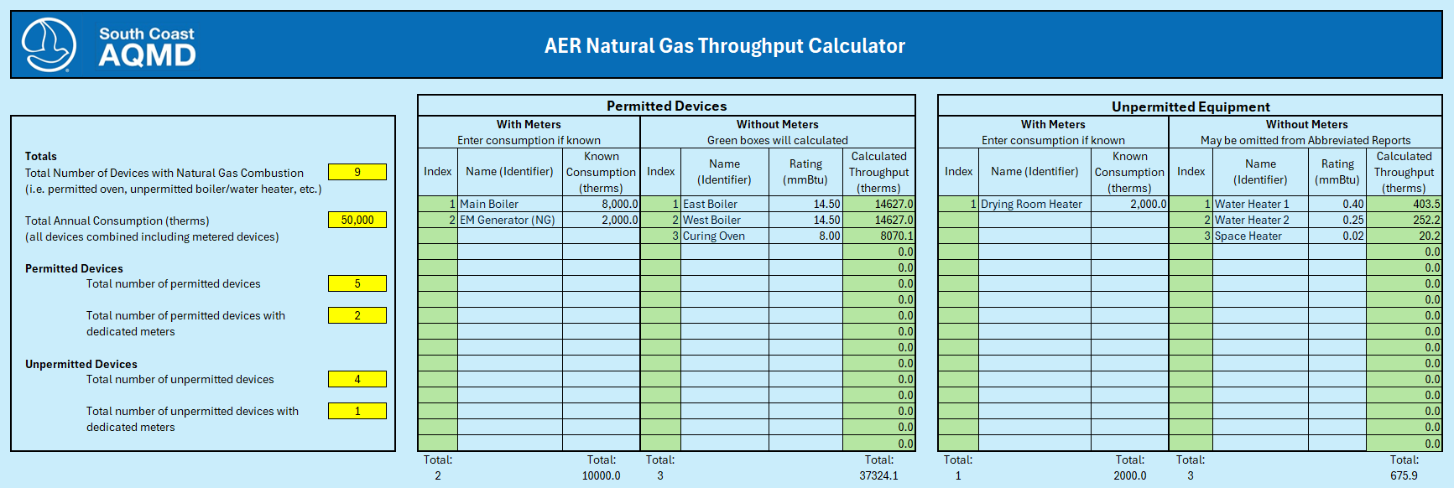
Instructions
1 | Compile all applicable records: monthly natural gas bills, total annual consumption of metered devices or fuel meter readings, rating (MMBtu) of each unit.
2 | Enter the total number of devices that are connected to the utility gas line including both metered and unmetered devices. Categorize each device by permitted or unpermitted; and how many devices in each category have meters.
3 | Add each monthly usage (gas bills) to determine total annual throughput. Enter into Calculator.
4 | The calculator counts the number of devices in each category. Enter an identifier, if preferred, to label each device.
5 | For metered devices, where consumption is known, enter the known consumption of each device in units of therms. The Unit Converter tab can be used to convert scf to therms.
6 | Enter the rating (MMBtu) of each unmetered device.
7 | The calculator will subtract the known consumption from the total and calculate the approximate throughput of each remaining permitted and unpermitted unit.
8 | Use the results to complete the AER in the webtool.

 | Example of a Completed Worksheet:

