MANUFACTURER (MFR) INFORMATION
South Coast Air Quality Management District
P.O. Box 4944
Diamond Bar, CA 91765
(909) 396-2000
 |  | South Coast AQMD RULE(S) -
SECTION (A): MANUFACTURER INFORMATION
Legal Name of Manufacturer (as listed on manufacturer label): | Reporting Year:

Street Address: | City: | State: | Zip Code: | Date Report Completed:

Responsible Party: | Position: | Phone Number: | E-Mail Address: | Comments/Notes:

Is any information included in this report considered confidential? For more information on the Public Records Requests process plese see the following link: |  |  |  | Public Records Act Guidelines and SCAQMD Rules
Yes (If yes, please specify what information is confidential below)
No

INSTRUCTIONS (1107)
Survey Questionnaire for Rule 1107
South Coast Air Quality Management District
Planning, Rule Development and Implementation
(August 2024)
Thank you for taking the time to complete this survey questionnaire. This survey questionnaire is to collect pertinent information for VOC emitting products used in coating operations in the South Coast region.
The information collected will be used for rule development purposes and will not be used for compliance determination.
Specific fields of this draft survey spreadsheet are explained as follows.
General Instructions
(1) | This Instructions tab is designed to provide guidance and explanation about filling this survey spreadsheet. Please select the Coating Manufacturer Survey tab and enter the data for each field. You may need to re-visit this Instructions tab while filling out the survey.
(2) | Some fields have a drop-down list. Please select one in the drop-down list. If you do not see what you wanted to select in the list, please add that to the drop-down list and continue to enter the data for the subsequent fields.
(3) | There are a total of three sections to be completed. Please fill out each section and include the information for all applicable products sold in and/or for use in the South Coast AQMD. If more rows are needed, right-click to insert additional rows.
(4) | If you need further assistance to fill in the questionnaire, please contact Joshua Ewell, Air Quality Specialist, at (909) 396-2212 or via email at jewell@aqmd.gov.

SECTION (A) - MANUFACTURER INFORMATION
(5) | This section is to obtain general manufacturer and contact person information. If necessary, the information provided will allow staff to follow up with additional information or if clarity is needed.

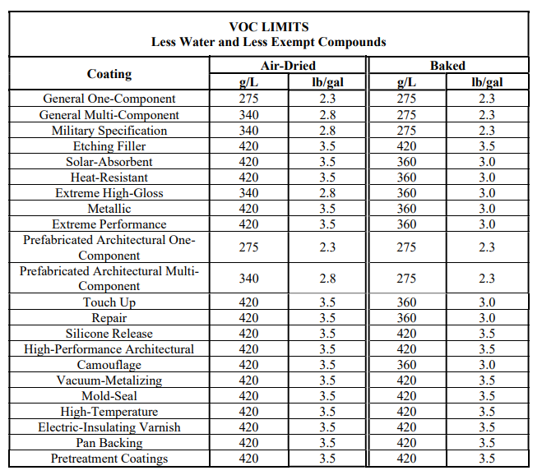
SECTION (B) - METAL COATINGS
(6) | Complete this section by entering the listed information for all metal coatings sold in and for use in the South Coast AQMD, including products of subsidiary companies. When listing subsidiary company products, please include the subsidiary company name in the product code and name column. Choose the applicable coating category from the drop-down in Column D for each product entered. You can also use the Table of Standards below. This information will be used to evaluate the metals coatings market within South Coast AQMD and help staff propose a feasible pCBtF and tBAc and prohibition timeline, as well as to evaluate VOC content limits.

SECTION (B) COLUMN "J"
 | Complete this column by entering the VOC content in grams per liter of the coating as applied, less water and exempt compounds. Grams of VOC Per Liter of Coating Less Water and Less Exempt Compounds, as specified in Rule 1107 paragraph (b)(22), is also known as the VOC of coating or the regulatory VOC. Regulatory VOC is calculated as the weight of the volatile compounds (g) minus the weight of water (g) and exempt compounds (g) divided by the volume of the material (L) minus the volume of water (L) and the volume of exempt compounds (L). Please see the equation in Rule 1107 paragraph (b)(22) and sample calculations below for guidance. For additional details see VOC Calculations on the South Coast AQMD Website: https://www.aqmd.gov/home/rules-compliance/compliance/vocs/calculations
 | If you need further assistance to fill in the questionnaire, please contact Joshua Ewell, Assistant Air Quality Specialist, at (909) 396-2212 or via email at jewell@aqmd.gov.
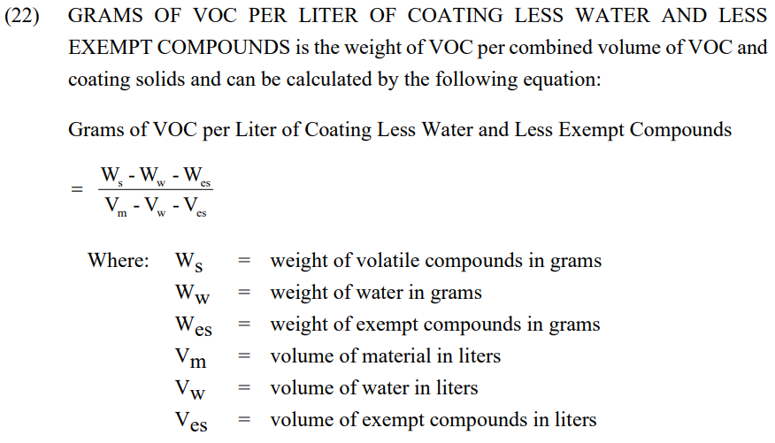

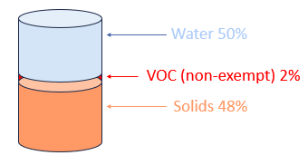

Coating A Values:
Density = 0.99 g/mL
Water content = 50% by weight
Density of water = 0.997 g/mL
VOC (non-exempt) = 2% by weight
Exempt compounds = 0% by weight

Sample VOC of Coating Calculation with Exempt Compounds

Coating B Values:
Density = 0.99 g/mL
Water content = 25% by weight
Density of water = 0.997 g/mL
VOC (non-exempt) = 2% by weight
Exempt compounds = 25%
Density of exempt (pCBtF)= 1.353 g/mL
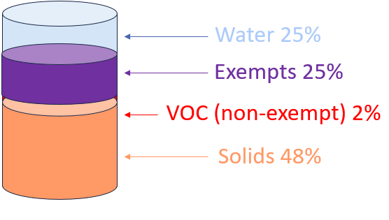
SECTION (B) COLUMN "K"
 | Complete this column by entering the VOC content in grams per liter of the coating as applied. Grams of VOC Per Liter of Material, as specified in Rule 1107 paragraph (b)(23), is also known as the VOC of material or the actual VOC. Actual VOC is calculated as the weight of the volatile compounds (g) minus the weight of water (g) and exempt compounds (g) divided by the volume of the material (L). Please see the equation in Rule 1107 paragraph (b)(23) and sample calculations below for guidance. For additional details see VOC Calculations on the South Coast AQMD Website: https://www.aqmd.gov/home/rules-compliance/compliance/vocs/calculations
 | If you need further assistance to fill in the questionnaire, please contact Joshua Ewell, Air Quality Specialist, at (909) 396-2212 or via email at jewell@aqmd.gov.

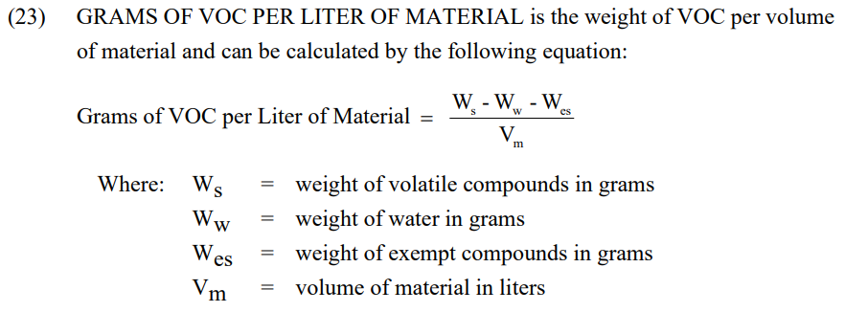

Coating A Values:
Density = 0.99 g/mL
Water content = 50% by weight
Density of water = 0.997 g/mL
VOC (non-exempt) = 2% by weight
Exempt Compounds = 0% by weight

Sample VOC of Material Calculation with Exempt Compounds
Coating B Values:
Density = 0.99 g/mL
Water content = 25% by weight
Density of water = 0.997 g/mL
VOC (non-exempt) = 2% by weight
Exempt compounds = 25% by weight
Density of exempt (pCBtF)= 1.353 g/mL

INSTRUCTIONS (1124)
Survey Questionnaire for Rule 1124
South Coast Air Quality Management District
Planning, Rule Development and Implementation
(August 2024)
Thank you for taking the time to complete this survey questionnaire. This survey questionnaire is to collect pertinent information for VOC emitting products used in coating operations in the South Coast region.
The information collected will be used for rule development purposes and will not be used for compliance determination.
Specific fields of this draft survey spreadsheet are explained as follows.
General Instructions
(1) | This Instructions tab is designed to provide guidance and explanation about filling this survey spreadsheet. Please select the Coating Manufacturer Survey tab and enter the data for each field. You may need to re-visit this Instructions tab while filling out the survey.
(2) | Some fields have a drop-down list. Please select one in the drop-down list. If you do not see what you wanted to select in the list, please add that to the drop-down list and continue to enter the data for the subsequent fields.
(3) | There are a total of eleven sections to be completed. Please fill out each section and include the information for all applicable products sold in and/or for use in the South Coast AQMD. If more rows are needed, right-click to insert additional rows.
(4) | If you need further assistance to fill in the questionnaire, please contact Sergio Torres-Callejas, Air Quality Specialist, at (909) 396-2231 or via email at scallejas@aqmd.gov.

SECTION (A) - MANUFACTURER INFORMATION
(5) | This section is to obtain general manufacturer and contact person information. If necessary, the information provided will allow staff to follow up with additional information or if clarity is needed.

SECTION (B) - AEROSPACE COATINGS
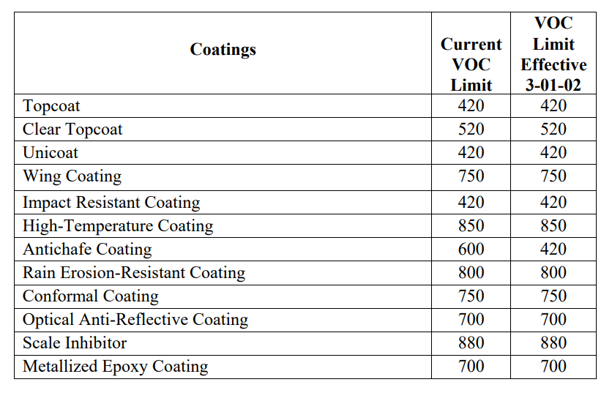 (6) | 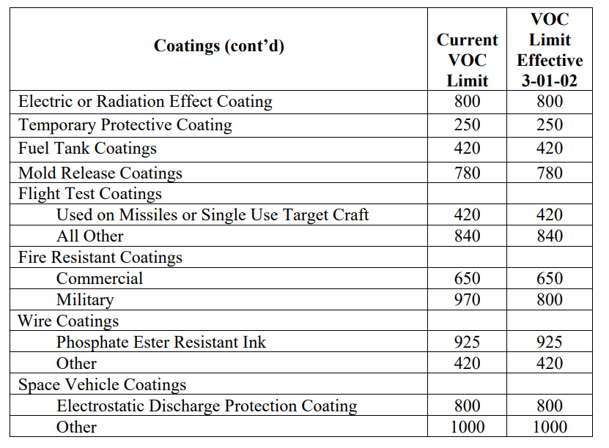 Complete this section by entering the listed information for all Coatings sold in and for use in the South Coast AQMD, including products of subsidiary companies. When listing subsidiary company products, please include the subsidiary company name in the product code and name column. Choose the applicable Coating category from the drop-down in Column D for each product entered. You can also use the table below. This information will be used to evaluate the aerospace coatings market within South Coast AQMD and help staff propose a feasible pCBtF and tBAc prohibition timeline, as well as to evaluate VOC content limits.

SECTION (C) - PRIMERS
(7) | Complete this section by entering the listed information for all primers sold in and for use in the South Coast AQMD, including products of subsidiary companies. When listing subsidiary company products, please include the subsidiary company name in the product code and name column. Choose the applicable primer category from the drop-down in Column D for each product entered. You can also use the table below. This information will be used to evaluate the aerospace primers market within South Coast AQMD and help staff propose a feasible pCBtF and tBAc prohibition timeline, as well as to evaluate VOC content limits.
 |  | 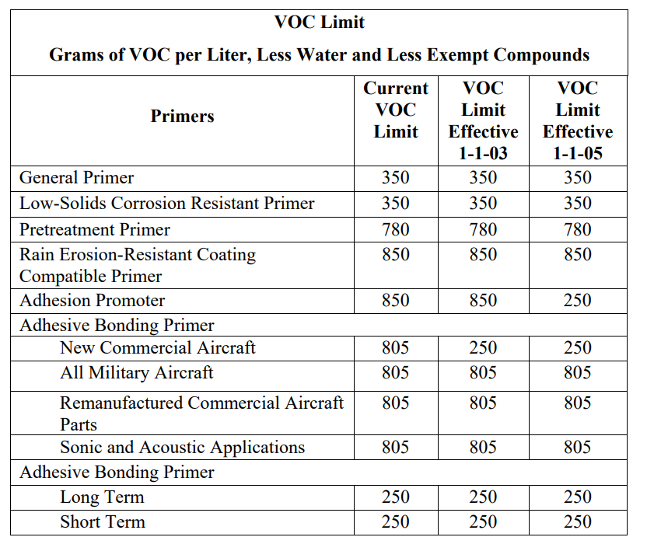

SECTION (D) - ADHESIVES
(8) | Complete this section by entering the listed information for all adhesives sold in and for use in the South Coast AQMD, including products of subsidiary companies. When listing subsidiary company products, please include the subsidiary company name in the product code and name column. Choose the applicable adhesive category from the drop-down in Column D for each product entered. You can also use the table below. This information will be used to evaluate the aerospace adhesives market within South Coast AQMD and help staff propose a feasible pCBtF and tBAc prohibition timeline, as well as to evaluate VOC content limits.

SECTION (E) - SEALANTS
(9) | Complete this section by entering the listed information for all sealants sold in and for use in the South Coast AQMD, including products of subsidiary companies. When listing subsidiary company products, please include the subsidiary company name in the product code and name column. Choose the applicable sealant category from the drop-down in Column D for each product entered. You can also use the table below. This information will be used to evaluate the aerospace sealants market within South Coast AQMD and help staff propose a feasible pCBtF and tBAc prohibition timeline, as well as to evaluate VOC content limits.

SECTION (F) - MASKANTS
(10) | Complete this section by entering the listed information for all maskants sold in and for use in the South Coast AQMD, including products of subsidiary companies. When listing subsidiary company products, please include the subsidiary company name in the product code and name column. Choose the applicable maskant category from the drop-down in Column D for each product entered. You can also use the table below. This information will be used to evaluate the aerospace maskants market within South Coast AQMD and help staff propose a feasible pCBtF and tBAc prohibition timeline, as well as to evaluate VOC content limits.

SECTION (G) - LUBRICANTS
(11) | Complete this section by entering the listed information for all lubricants sold in and for use in the South Coast AQMD, including products of subsidiary companies. When listing subsidiary company products, please include the subsidiary company name in the product code and name column. Choose the applicable lubricant category from the drop-down in Column D for each product entered. You can also use the table below. This information will be used to evaluate the aerospace lubricants market within South Coast AQMD and help staff propose a feasible pCBtF and tBAc prohibition timeline, as well as to evaluate VOC content limits.
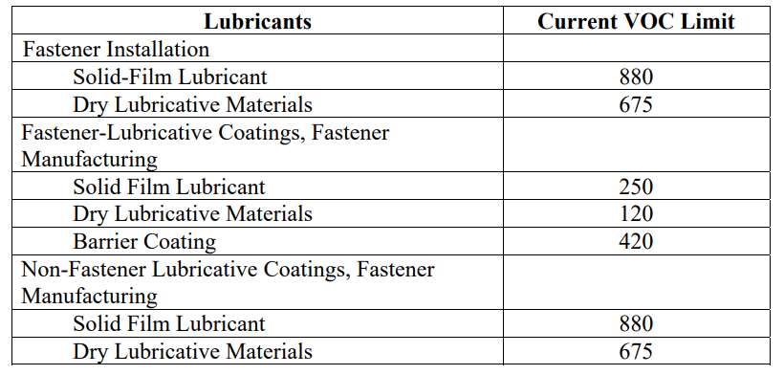

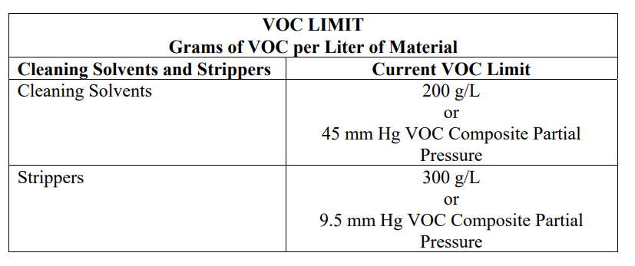
SECTION (H) - CLEANING SOLVENTS and STRIPPERS
(12) | Complete this section by entering the listed information for all cleaning solvents and strippers sold in and for use in the South Coast AQMD, including products of subsidiary companies. When listing subsidiary company products, please include the subsidiary company name in the product code and name column. Choose the applicable category from the drop-down in Column D for each product entered. You can also use the table below. This information will be used to evaluate the market within South Coast AQMD and help staff propose a feasible pCBtF and tBAc prohibition timeline, as well as to evaluate VOC content limits.

SECTION (B to H) COLUMN "J"
 | Complete this column by entering the VOC content in grams per liter of the coating as applied, less water and exempt compounds. Grams of VOC Per Liter of Coating Less Water and Less Exempt Compounds, as specified in Rule 1124 paragraph (b)(27), is also known as the VOC of coating or the regulatory VOC. Regulatory VOC is calculated as the weight of the volatile compounds (g) minus the weight of water (g) and exempt compounds (g) divided by the volume of the material (L) minus the volume of water (L) and the volume of exempt compounds (L). Please see the equation in Rule 1124 paragraph (b)(27) and sample calculations below for guidance. For additional details see VOC Calculations on the South Coast AQMD Website: https://www.aqmd.gov/home/rules-compliance/compliance/vocs/calculations
 | If you need further assistance to fill in the questionnaire, please contact Sergio Torres-Callejas, Air Quality Specialist, at (909) 396-2231 or via email at scallejas@aqmd.gov.
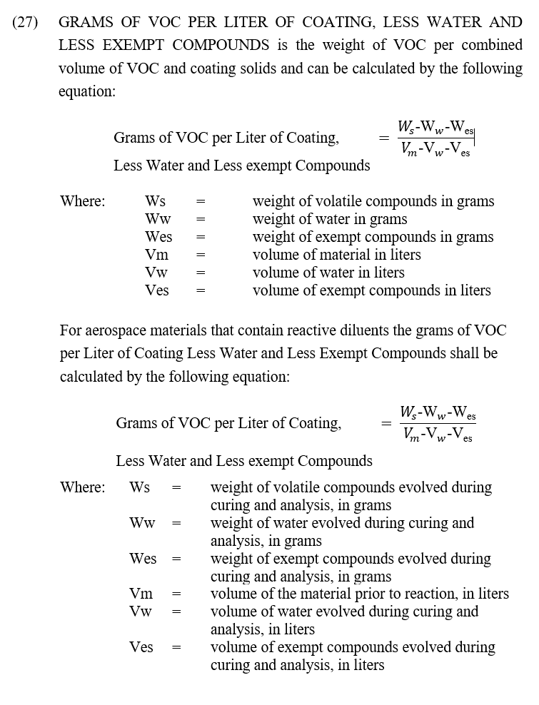

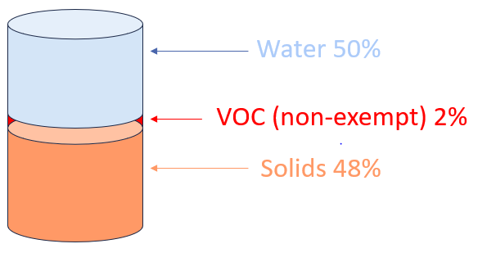

Coating A Values:
Density = 0.99 g/mL
Water content = 50% by weight
Density of water = 0.997 g/mL
VOC (non-exempt) = 2% by weight
Exempt compounds = 0%

Sample VOC of Coating Calculation with Exempt Compounds
Coating B Values:
Density = 0.99 g/mL
Water content = 25% by weight
Density of water = 0.997 g/mL
VOC (non-exempt) = 2% by weight
Exempt compounds = 25%
Density of exempt (pCBtF)= 1.353 g/mL
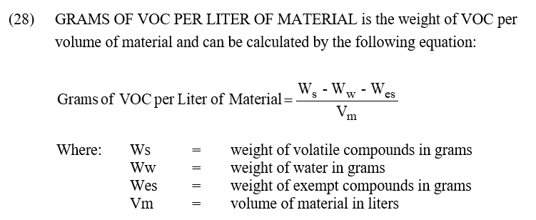
SECTION (B to H) COLUMN "K"
 | Complete this column by entering the VOC content in grams per liter of the coating as applied. Grams of VOC Per Liter of Material, as specified in Rule 1124 paragraph (b)(28), is also known as the VOC of material or the actual VOC. Actual VOC is calculated as the weight of the volatile compounds (g) minus the weight of water (g) and exempt compounds (g) divided by the volume of the material (L). Please see the equation in Rule 1124 paragraph (b)(28) and sample calculations below for guidance. For additional details see VOC Calculations on the South Coast AQMD Website: https://www.aqmd.gov/home/rules-compliance/compliance/vocs/calculations
 | If you need further assistance to fill in the questionnaire, please contact Sergio Torres-Callejas, Air Quality Specialist, at (909) 396-2231 or via email at scallejas@aqmd.gov.

Coating A Values:
Density = 0.99 g/mL
Water content = 50% by weight
Density of water = 0.997 g/mL
VOC (non-exempt) = 2% by weight
Exempt Compounds = 0% by weight

Sample VOC of Material Calculation with Exempt Compounds

Coating B Values:
Density = 0.99 g/mL
Water content = 25% by weight
Density of water = 0.997 g/mL
VOC (non-exempt) = 2% by weight
Exempt compounds = 25% by weight
Density of exempt (pCBtF)= 1.353 g/mL

INSTRUCTIONS (1136)
Survey Questionnaire for Rule 1136
South Coast Air Quality Management District
Planning, Rule Development and Implementation
(August 2024)
Thank you for taking the time to complete this survey questionnaire. This survey questionnaire is to collect pertinent information for VOC emitting products used in coating operations in the South Coast region.
The information collected will be used for rule development purposes and will not be used for compliance determination.
Specific fields of this draft survey spreadsheet are explained as follows.
General Instructions
(1) | This Instructions tab is designed to provide guidance and explanation about filling this survey spreadsheet. Please select the Coating Manufacturer Survey tab and enter the data for each field. You may need to re-visit this Instructions tab while filling out the survey.
(2) | Some fields have a drop-down list. Please select one in the drop-down list. If you do not see what you wanted to select in the list, please add that to the drop-down list and continue to enter the data for the subsequent fields.
(3) | There are a total of three sections to be completed. Please fill out each section and include the information for all applicable products sold in and/or for use in the South Coast AQMD. If more rows are needed, right-click to insert additional rows.
(4) | If you need further assistance to fill in the questionnaire, please contact Mojtaba Moghani, Air Quality Specialist, at (909) 396-2527 or via email at mmoghani@aqmd.gov.

SECTION (A) - MANUFACTURER INFORMATION
(5) | This section is to obtain general manufacturer and contact person information. If necessary, the information provided will allow staff to follow up with additional information or if clarity is needed.

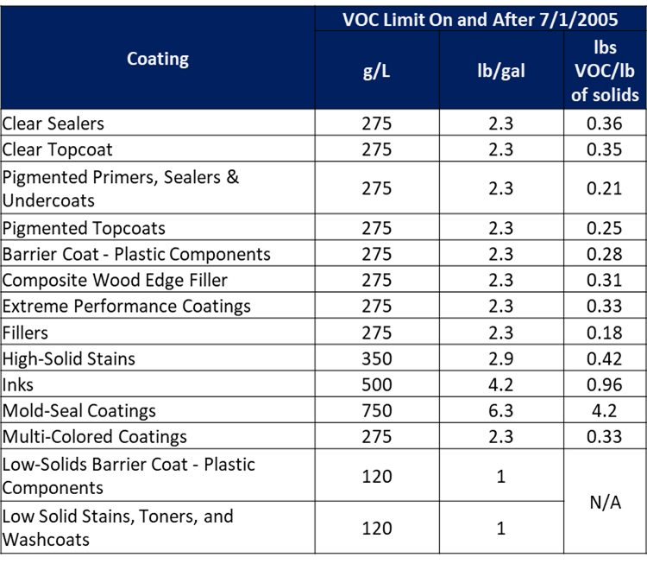
SECTION (B) - WOOD PRODUCTS COATINGS
(6) | Complete this section by entering the listed information for all wood products coatings sold in and for use in the South Coast AQMD, including products of subsidiary companies. When listing subsidiary company products, please include the subsidiary company name in the product code and name column. Choose the applicable coating category from the drop-down in Column D for each product entered. You can also use the Table of Standards below. This information will be used to evaluate wood products coatings market within South Coast AQMD and help staff propose a feasible pCBtF and tBAc prohibition timeline, as well as to evaluate VOC content limits.

SECTION (B) COLUMN "J"
 | Complete this column by entering the VOC content in grams per liter of the coating as applied, less water and exempt compounds. Grams of VOC Per Liter of Coating Less Water and Less Exempt Compounds, as specified in Rule 1136 paragraph (b)(21), is also known as the VOC of coating or the regulatory VOC. Regulatory VOC is calculated as the weight of the volatile compounds (g) minus the weight of water (g) and exempt compounds (g) divided by the volume of the material (L) minus the volume of water (L) and the volume of exempt compounds (L). Please see the equation in Rule 1136 paragraph (b)(21) and sample calculations below for guidance. For additional details see VOC Calculations on the South Coast AQMD Website: https://www.aqmd.gov/home/rules-compliance/compliance/vocs/calculations
 | If you need further assistance to fill in the questionnaire, please contact Mojtaba Moghani, Air Quality Specialist, at (909) 396-2527 or via email at mmoghani@aqmd.gov.

(21)

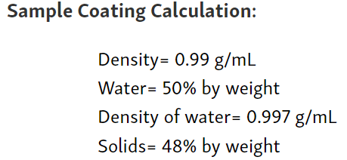

Coating A Values:
Density = 0.99 g/mL
Water content = 25% by weight
Density of water = 0.997 g/mL
VOC (non-exempt) = 2% by weight
Exempt compounds = 25%
Density of exempt (pCBtF)= 1.353 g/mL

Sample VOC of Coating Calculation with Exempt Compounds

Coating B Values:
Density = 0.99 g/mL
Water content = 25% by weight
Density of water = 0.997 g/mL
VOC (non-exempt) = 2% by weight
Exempt compounds = 25%
Density of exempt (pCBtF)= 1.353 g/mL
SECTION (B) COLUMN "K"
 | Complete this column by entering the VOC content in grams per liter of the coating as applied. Grams of VOC Per Liter of Material, as specified in Rule 1136 paragraph (b)(22), is also known as the VOC of material or the actual VOC. Actual VOC is calculated as the weight of the volatile compounds (g) minus the weight of water (g) and exempt compounds (g) divided by the volume of the material (L). Please see the equation in Rule 1136 paragraph (b)(22) and sample calculation below for guidance. For additional details see VOC Calculations on the South Coast AQMD Website: https://www.aqmd.gov/home/rules-compliance/compliance/vocs/calculations
 | If you need further assistance to fill in the questionnaire, please contact Mojtaba Moghani, Air Quality Specialist, at (909) 396-2527 or via email at mmoghani@aqmd.gov.

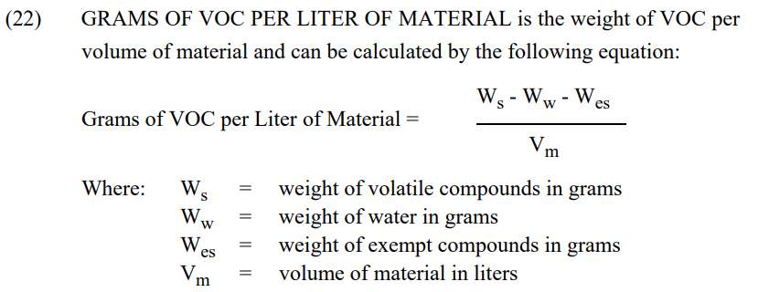

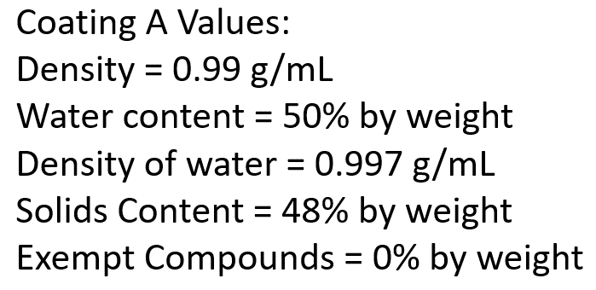

Sample VOC of Material Calculation with Exempt Compounds

Coating B Values:
Density = 0.99 g/mL
Water content = 25% by weight
Density of water = 0.997 g/mL
VOC (non-exempt) = 2% by weight
Exempt compounds = 25% by weight
Density of exempt (pCBtF)= 1.353 g/mL

